How to use Sub templates
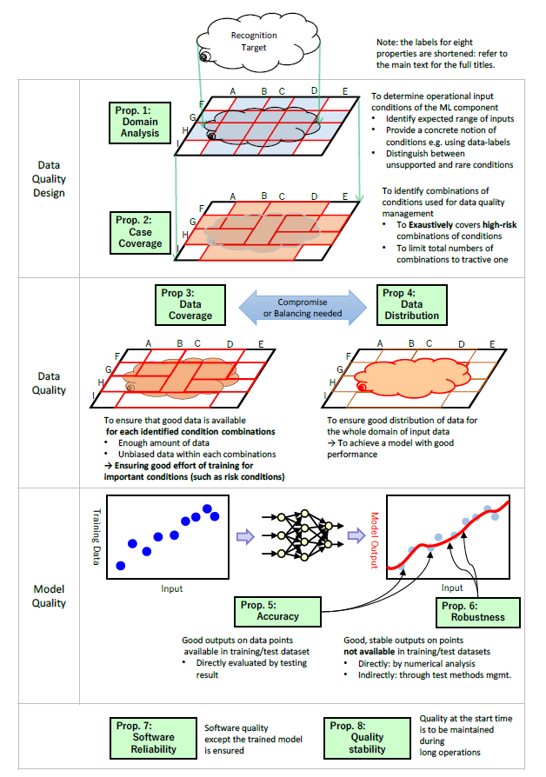
Sub-Template (“Perspectives in the Field of Plant Safety” Checklist for Internal Quality Assurance, Template for Reliability Records)

[How to use the checklist and template]
 | 0 | (Before looking at the checklist) Check the required level of internal quality (Level 1–3) in developing ML components. (Section 2.2.4 of the Guidelines)
 | 1 | Confirm the requirements of the applicable required level for the internal quality axis to be considered in accordance with the "Situation of use of the checklist" below.
 | 2 | Confirm the "Perspectives in the field of plant safety" directly related to the requirements of the applicable required level. Check the applicable required level (Lv1–Lv3) in the "Required level of internal quality" column.
 |  | When an ML component to be developed is similar to use cases, also confirm “Use case-specific perspectives.”
 | 3 | Confirm common "Perspectives in the field of plant safety" that apply regardless of requirements. In the "Required level of internal quality" column, it is stated as "Common."
 |  | When an ML component to be developed is similar to use cases, also confirm “Use case-specific perspectives.”
 | 4 | At the time of development and implementation, record the measures taken and the date when such measures were taken in the "Record of measures taken (for development and implementation)."
 | 5 | After the start of operation, at the time of system update, record the measures taken for quality confirmation and update in the "Record of measures taken for operation" of "Maintainability of qualities in use."
 |  | *For entry examples, "Practical Examples," in which this record template is based on actual cases of AI development
 |  | and operation for each use case, are also available. Consulting these practical examples is advised.

[Situation of use of the checklist and template]

data quality design | 1 Consideration of "data quality design" (Sufficiency of requirement analysis and Coverage for distinguished problem cases)
 | Example of consideration:
 | ・Consideration of attributes and environmental factors to be covered in data collection
 | ・Confirmation of requirements analysis and collected data with on-site engineers, etc.

Data check | 2 Consideration of "Data quality" (Coverage of datasets and Uniformity of datasets)
 | Example of consideration:
 | ・Confirmation that attributes and environmental factors to be covered have been collected
 | ・Consideration of the use of simulators when data is insufficient, etc.

Learning | 3 Consideration of "Model quality" (Correctness of the trained model and Stability of the trained model)
 | Example of consideration:
 | ・Consideration of allowable level of misjudgment
 | ・Consideration of test methods, etc.

Implementation and operation | 4 Consideration of "Quality of implementation and operation" (Reliability of underlying software systems and Maintainability of qualities in use)
 | Example of consideration:
 | ・Consideration of software used for implementation
 | ・Frequency design of accuracy verification and re-learning, etc.

 |  |  | Figure: Internal Quality in “Guidelines on Quality Control for Machine Learning”

 |  |  |  | Source: National Institute of Advanced Industrial Science and Technology (AIST) “Machine Learning Quality Management Guideline 1st edition ”

